stock products
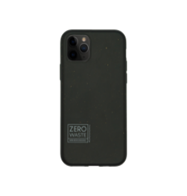
SKU number | Images | Name | barcode | IN STOCK | RRP (USD) | Amount (USD)
ESSBK_IP678 |  | Essential black | iPhone 6/7/8/SE | 8121040264626 | 700 | 31.99 | 22,393
ESSBK_IP11 |  | Essential black | iPhone 11 | 8 121040264794 | 250 | 31.99 | 7,998
ESSBK_IP11P |  | Essential black | iPhone 11 Pro | 8 121040 264862 | 325 | 31.99 | 10,397
ESSBK_IP12 |  | Essential black | iPhone 12 | 8121040265098 | 395 | 31.99 | 12,636
ESSBK_IP12P |  | Essential black | iPhone 12 Max/12 Pro | 8121040265166 | 1380 | 31.99 | 44,146
ESSBK_IP12PM |  | Essential black | iPhone 12 Pro Max | 8121040265234 | 914 | 31.99 | 29,239
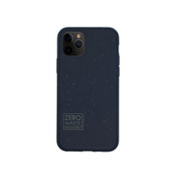
 |  |  |  |  |  | -
ESSBL_IP678 |  | Essential blue | iPhone 6/7/8/SE | 8121040265302 | 860 | 31.99 | 27,511
ESSBL_IP11 |  | Essential blue | iPhone 11 | 8121040265470 | 302 | 31.99 | 9,661
ESSBL_IP11P |  | Essential blue | iPhone 11 Pro | 8121040 265548 | 320 | 31.99 | 10,237
ESSBL_IP12 |  | Essential blue | iPhone 12 | 8121040265784 | 694 | 31.99 | 22,201
ESSBL_IP12P |  | Essential blue | iPhone 12 Max/12 Pro | 8121040265852 | 1380 | 31.99 | 44,146
ESSBL_IP12PM |  | Essential blue | iPhone 12 Pro Max | 8121040265920 | 974 | 31.99 | 31,158
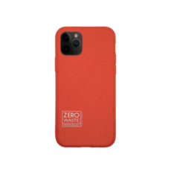
 |  |  |  |  |  | -
ESSRD_IP678 |  | Essential red | iPhone 6/7/8/SE | 8121040266088 | 575 | 31.99 | 18,394
ESSRD_IP11 |  | Essential red | iPhone 11 | 8121040266156 | 310 | 31.99 | 9,917
ESSRD_IP11P |  | Essential red | iPhone 11 Pro | 8121040266224 | 320 | 31.99 | 10,237
ESSRD_IP12 |  | Essential red | iPhone 12 | 8121040266460 | 994 | 31.99 | 31,798
ESSRD_IP12P |  | Essential red | iPhone 12 Max/12 Pro | 8121040266538 | 781 | 31.99 | 24,984
ESSRD_IP12PM |  | Essential red | iPhone 12 Pro Max | 8121040266606 | 1184 | 31.99 | 37,876
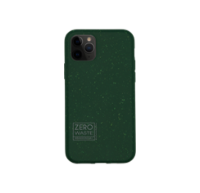
 |  |  |  |  |  | -
ESSGR_IP678 |  | Essential green | iPhone 6/7/8/SE | 8121040266774 | 710 | 31.99 | 22,713
ESSGR_IP11 |  | Essential green | iPhone 11 | 8121040266842 | 252 | 31.99 | 8,061
ESSGR_IP11P |  | Essential green | iPhone 11 Pro | 8121040266910 | 320 | 31.99 | 10,237
ESSGR_IP12 |  | Essential green | iPhone 12 | 8 121040 267146 | 559 | 31.99 | 17,882
ESSGR_IP12P |  | Essential green | iPhone 12 Max/12 Pro | 8 121040 267214 | 824 | 31.99 | 26,360
ESSGR_IP12PM |  | Essential green | iPhone 12 Pro Max | 8 121040 267382 | 964 | 31.99 | 30,838
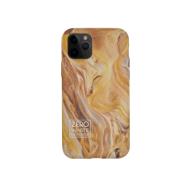
 |  |  |  |  |  | -
DES01_IP678 |  | Canyon | iPhone 6/7/8/SE | 8121040 267450 | 385 | 31.99 | 12,316
DES01_IP11 |  | Canyon | iPhone 11 | 8121040267528 | 235 | 31.99 | 7,518
DES01_IP11P |  | Canyon | iPhone 11 Pro | 8 121040267696 | 170 | 31.99 | 5,438
DES01_IP11PM |  | Canyon | iPhone 11 Pro Max | 8 121040267764 | 130 | 31.99 | 4,159
DES01_IP12 |  | Canyon | iPhone 12 | 8121040267832 | 204 | 31.99 | 6,526
DES01_IP12P |  | Canyon | iPhone 12 Max/12 Pro | 8121040267900 | 924 | 31.99 | 29,559
DES01_IP12PM |  | Canyon | iPhone 12 Pro Max | 8121040268068 | 175 | 31.99 | 5,598
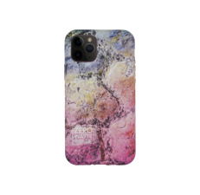
 |  |  |  |  |  | -
DES02_IP678 |  | Landscape | iPhone 6/7/8/SE | 8121040268136 | 140 | 31.99 | 4,479
DES02_IP11 |  | Landscape | iPhone 11 | 8121040268204 | 120 | 31.99 | 3,839
DES02_IP11P |  | Landscape | iPhone 11 Pro | 8 121040 268372 | 170 | 31.99 | 5,438
DES02_IP11PM |  | Landscape | iPhone 11 Pro Max | 8 121040 268440 | 370 | 31.99 | 11,836
DES02_IP12 |  | Landscape | iPhone 12 | 8121040268518 | 669 | 31.99 | 21,401
DES02_IP12P |  | Landscape | iPhone 12 Max/12 Pro | 8121040268686 | 595 | 31.99 | 19,034
DES02_IP12PM |  | Landscape | iPhone 12 Pro Max | 8121040268754 | 614 | 31.99 | 19,642
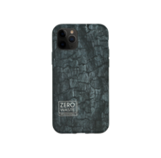
 |  |  |  |  |  | -
DES03_IP678 |  | Coal | iPhone 6/7/8/SE | 8121040268822 | 140 | 31.99 | 4,479
DES03_IP11 |  | Coal | iPhone 11 | 8121040268990 | 0 | 31.99 | -
DES03_IP11P |  | Coal | iPhone 11 Pro | 8121040269058 | 95 | 31.99 | 3,039
DES03_IP11PM |  | Coal | iPhone 11 Pro Max | 8121040269126 | 90 | 31.99 | 2,879
DES03_IP12 |  | Coal | iPhone 12 | 8121040269294 | 289 | 31.99 | 9,245
DES03_IP12P |  | Coal | iPhone 12 Max/12 Pro | 8121040269362 | 373 | 31.99 | 11,932
DES03_IP12PM |  | Coal | iPhone 12 Pro Max | 8121040269430 | 689 | 31.99 | 22,041
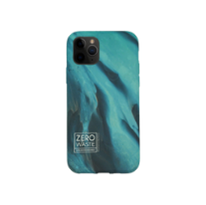
 |  |  |  |  |  | -
DES04_IP678 |  | Glacier | iPhone 6/7/8/SE | 8121040269508 | 0 | 31.99 | -
DES04_IP11 |  | Glacier | iPhone 11 | 8 121040 269676 | 410 | 31.99 | 13,116
DES04_IP12 |  | Glacier | iPhone 12 | 8121040269980 | 209 | 31.99 | 6,686
DES04_IP12P |  | Glacier | iPhone 12 Max/12 Pro | 8121040270016 | 359 | 31.99 | 11,484
DES04_IP12PM |  | Glacier | iPhone 12 Pro Max | 8121040270184 | 380 | 31.99 | 12,156
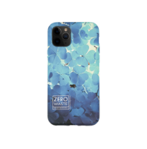
 |  |  |  |  |  | -
DES05_IP678 |  | Clover | iPhone 6/7/8/SE | 8121040270252 | 385 | 31.99 | 12,316
DES05_IP11 |  | Clover | iPhone 11 | 8121040270320 | 0 | 31.99 | -
DES05_IP12 |  | Clover | iPhone 12 | 8121040 270634 | 499 | 31.99 | 15,963
DES05_IP12P |  | Clover | iPhone 12 Max/12 Pro | 8121040 270702 | 224 | 31.99 | 7,166
DES05_IP12PM |  | Clover | iPhone 12 Pro Max | 8121040270870 | 254 | 31.99 | 8,125
 |  |  |  |  |  | -
 |  |  |  |  |  | -
WPC1014ORIPXS |  | Whale Eco-case for iPhone X/XS | 8121040243522 | 8 | 31.99 | 256
WPC1014ORIPXR |  | Whale Eco-case for iPhone XR | 8121040247032 | 210 | 31.99 | 6,718
WPC1014ORIP11 |  | Whale Eco-case for iPhone 11 Pro | 8121040245298 | 734 | 31.99 | 23,481
WPC1015ORIP11 |  | Turtle Eco-case for iPhone 11 Pro | 8121040245434 | 5 | 31.99 | 160
WPC1015ORS10P |  | Turtle Eco-case for Galaxy S10 Plus | 8121040247582 | 193 | 31.99 | 6,174
WPC1017ORIP11 |  | Seahorse Eco-case for iPhone 11 Pro | 8121040245816 | 314 | 31.99 | 10,045
WPC1020ORS10P |  | Matte Manta Eco-case for Galaxy S10 Plus | 8121040249012 | 103 | 31.99 | 3,295
WPC1021ORIP11 |  | Matte Whale Eco-case for iPhone 11 Pro | 8121040246660 | 254 | 31.99 | 8,125
WPC1021ORIP11R |  | Matte Whale Eco-case for iPhone 11 | 8121040246738 | 235 | 31.99 | 7,518
WPC1022ORIPXR |  | Matte Seahorse Eco-case for iPhone XR | 8121040249494 | 90 | 31.99 | 2,879
WPC1031ORIP11 |  | Red Eco-case for iPhone 11 Pro | 8121040251756 | 332 | 31.99 | 10,621
WPC1032ORIP11 |  | Yellow Eco-case for iPhone 11 Pro | 8121040252500 | 334 | 31.99 | 10,685
WPC1032ORIP11R |  | Yellow Eco-case for iPhone 11 | 8121040251824 | 335 | 31.99 | 10,717
 |  |  |  | 28,731 |  | 919,105

